Why is QueueTest working
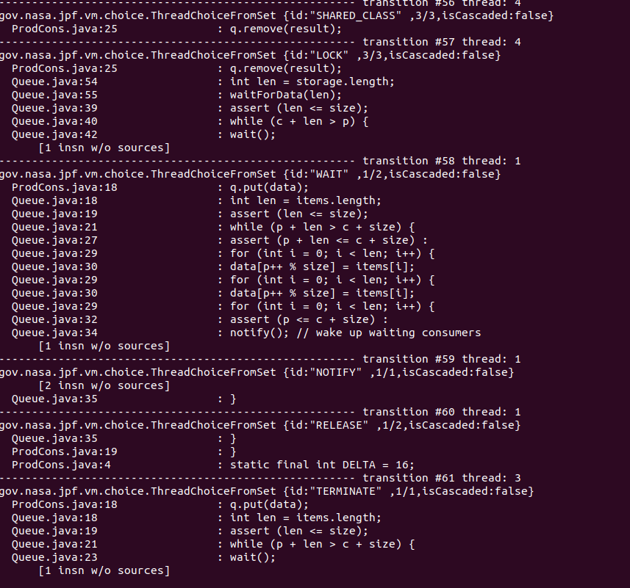
Why is workingbench QueueTest working with Queue notify java file but not with Queue wait java file?
Queue_notify is working for QueueTest because the thread is only waiting, if there is no space left in the queue. The invariant for the while loop in the synchronized function is (c + len > p). For Queue wait there is not such invariant, so all Threads are waiting at some point. There are not enough notifications to wake them up again, as you can see in the screenshot below. Wait() is called with Queue_wait at least once. So all threads are ending up in a deadlock, because afterwards there are not enough notifications to wake the threads up. As the the threads were notified all at once, they are concurrently waiting. There need to be ways to skip the wait call, as the producer always comes first with adding data like in the while loop in Queue.java in Queue_notify. In ProdCons we have separated Consumer and Producer Function. Here appears a "Lost signal". This happens if you have wait before the while loop. There is no thread that is waiting. So notify came to early. Only consumers or only producers who are waiting. In the Screenshot we can see that for Queue_wait the consumer in thread 6 is waiting unconditionally for data to remove.
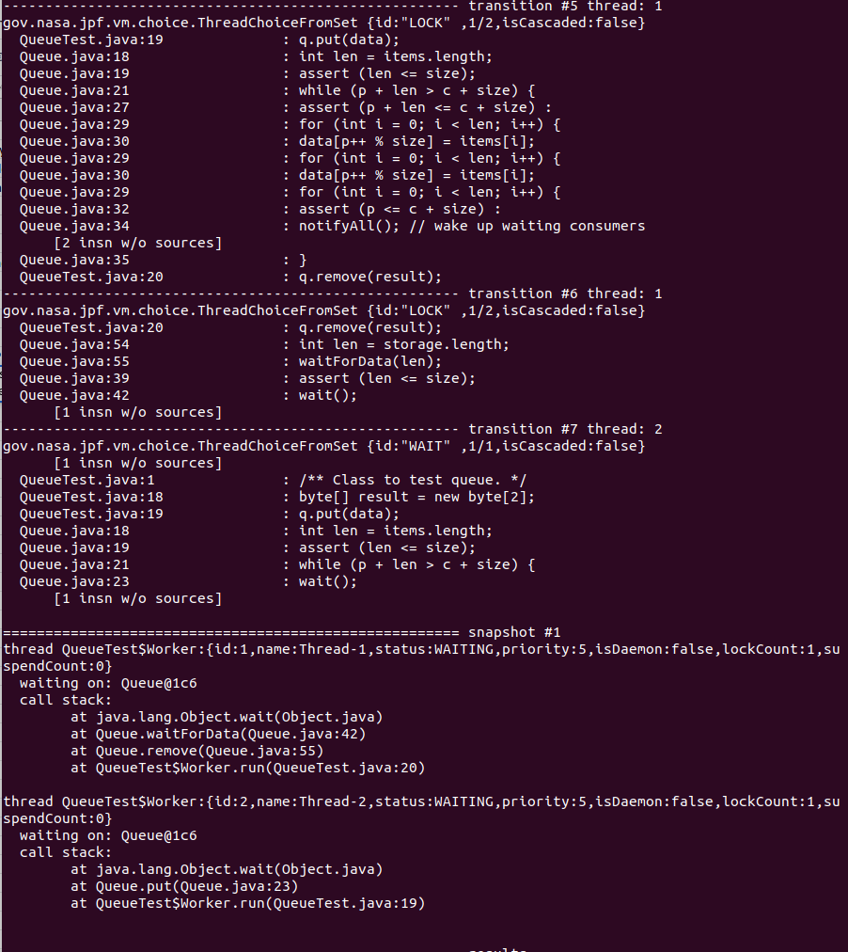

Why ProdCons not working in combination with the Queue notify java file but QueueTest is?
Instead of using one thread for the worker as in QueueTest, ProdCons uses two separate threads. One for the the Producer that is adding entries and one for the Consumer that is removing entries. In the Queue_notify.java file Notify() is used instead of NotifyAll() to inform other Threads to wake up. As you initialized two separated threads in ProdCons, you have a higher concurrency and is more open in test harness. The atomicity of the two operations of Consumer and Producer is not existend with Notify() here. Because QueueTest has both operations included in one thread, it cannot cause that particular failure and cannot find the bug.

